Sheet1
 |  | Test Case 1
 | 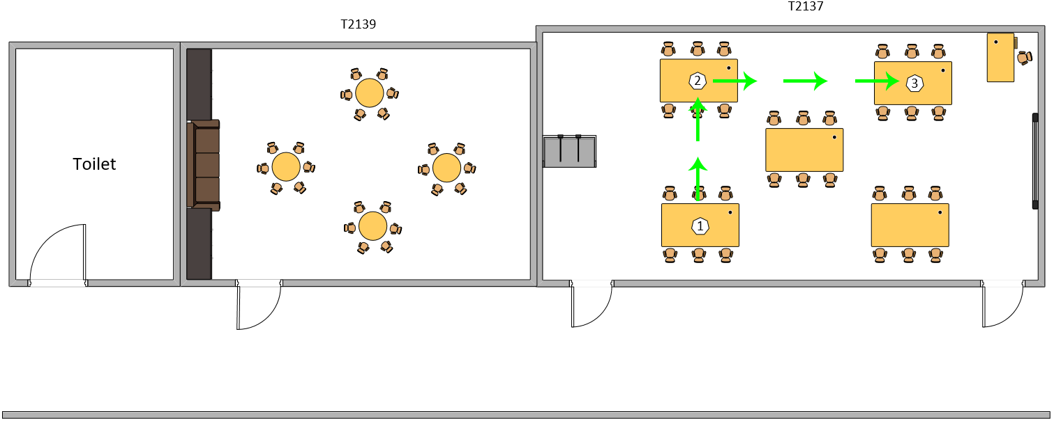
 |  | Route used for test case 1

Test Execution Date: 16/7/2018
Test Duration: - minute - seconds
Pre-Conditions: User is not blindfolded. User must be logged in to an account. Bluetooth and Microphone must be granted permission on the phone.
Specifications: Beacon Distance: 4 meters Distance between beacon & ground: 75cm Compass Bearing: +- 5 Avg Moving Speed: unknown
Description: Navigation from beacon 1 which a desk in T2137 to beacon 3 which which a desk in T2137 as well.
Steps | Test Steps | Expected Results | Actual Results | Status (Pass/Fail)
1 | User to launch the application. | The application will be launched successfully. | The application has been launched successfully. | Pass
2 | Detect current location automatically as Beacon 1. | A voice message will inform the user of his/her current location to be Beacon 1 automatically. The destination will also be prompted. | The voice message informed the user of the current location as Beacon 1 and prompted for a destination. | Pass
3 | Enter the destination to be Beacon 3 | After entering the destination and tapping on "Start", a voice message will inform the user if he/she is facing the correct direction towards the next beacon. If the user is not facing the correct direction, the voice message will guide the user to the correct position. | After entering the destination and tapping on "Start", the voice message informed that the user is facing the correct direction when he is indeed facing the right direction. | Pass
4 | User starts from beacon 1 and wants to navigate to beacon 2. | A voice message will tell the user to walk straight from beacon 1 to 2. It will also tell the user that beacon 2 is a turning point. User will then reach beacon 2 successfully and the application will inform that he has reached beacon 2. | The voice message continuously tries to correct the user into the correct direction towards Beacon 2 without success. User did not reach beacon 2. | Fail
5 | User navigates from beacon 2 to beacon 3. | A voice message will tell the user to turn right and walk straight from beacon 2 to beacon 3. User will reach beacon 3 successfully and the application will inform that he has reached the destination. | The voice message continuously tries to correct the user into the correct direction towards beacon 3 without success. User did not reach beacon 3 and went off course. | Fail

Sheet 8
 |  | Test Case 8
 | 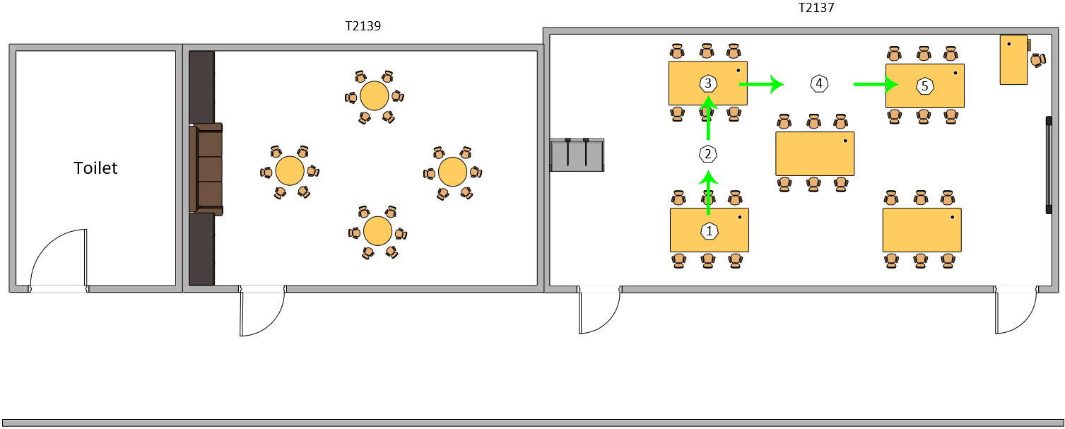
 |  | Route used for test case 8

Test Execution Date: 20/7/2018
Test Duration: 0 minute 43 seconds
Pre-Conditions: User is not blindfolded. User must be logged in to an account. Bluetooth and Microphone must be granted permission on the phone.
Specifications: Beacon Distance: 3 meters Detection Range: 30 meters Distance between beacon & ground: 0cm Compass Bearing: +- 10 Avg Moving Speed: 42 cm/s
Description: Navigation from beacon 1 which a desk in T2137 to beacon 5 which which a desk in T2137 as well.
Steps | Test Steps | Expected Results | Actual Results | Status (Pass/Fail)
1 | User to launch the application. | The application will be launched successfully. | The application has been launched successfully. | Pass
2 | Detect current location automatically as Beacon 1. | A voice message will inform the user of his/her current location to be Beacon 1 automatically. The destination will also be prompted. | The voice message informed the user of the current location as Beacon 1 and prompted for a destination. | Pass
3 | Enter the destination to be Beacon 5 | After entering the destination and tapping on "Start", a voice message will inform the user if he/she is facing the correct direction towards the next beacon. If the user is not facing the correct direction, the voice message will guide the user to the correct position. | After entering the destination and tapping on "Start", the voice message informed that the user is facing the correct direction when he is indeed facing the right direction. | Pass
4 | User starts from beacon 1 and wants to navigate to beacon 2. | A voice message will tell the user to walk straight from beacon 1 to 2. User will then reach beacon 2 successfully and the application will inform that he has reached beacon 2. | The voice message containing the step to go from beacon 1 to 2 was read out while also guiding the user to walk in the correct direction. The user has successfully reached beacon 2 and the voice message has informed the user of it. | Pass
5 | User navigates from beacon 2 to beacon 3. | A voice message will tell the user to walk straight from beacon 2 to beacon 3 and also inform the user that beacon 3 is a turning point. User will reach beacon 3 successfully and the application will inform that he has reached beacon 3. | The voice message containing the step to go from beacon 2 to 3 was read out while also guiding the user to walk in the correct direction. The user has successfully reached beacon 3 and the voice message has informed the user of it. | Pass
6 | User navigates from beacon 3 to beacon 4. | A voice message will tell the user to turn right and walk straight from beacon 3 to beacon 4. User will reach beacon 4 successfully and the application will inform that he has reached beacon 4. | The voice message containing the step to go from beacon 3 to 4 was read out while also guiding the user to walk in the correct direction. The user has successfully reached beacon 4 and the voice message has informed the user of it. | Pass
7 | User navigates from beacon 4 to beacon 5. | A voice message will tell the user to walk straight from beacon 4 to beacon 5. User will reach beacon 5 successfully and the application will inform that he has reached the destination. | The voice message containing the step to go from beacon 4 to 5 was read out while also guiding the user to walk in the correct direction. The user has successfully reached beacon 5 and the voice message has informed the user that he has reached the destination. | Pass

